Pivot Table 1
Income and Gender-Based Bike Ownership

Pivot Table 2
Distance-Based Bike Ownership

Pivot Table 3
Age-Based Bike Ownership

Pivot Table 4
Bike Ownership by Marital Status

Pivot Table 5
Regional Bike Ownership

Pivot Table 6
Bike Purchases by Income Level

Pivot Table 7
Bike Purchases by Education Level

Pivot Table 8
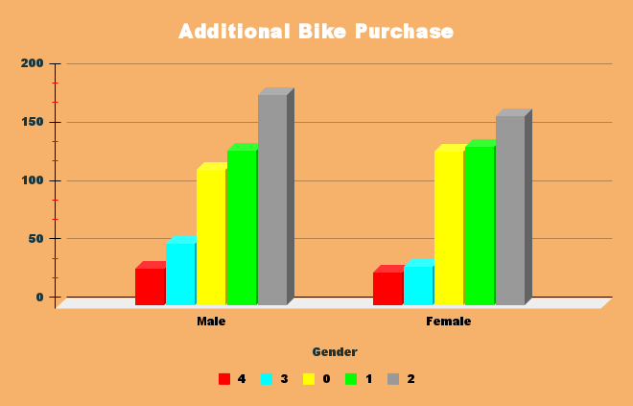

Dashboard
Bike Ownership Insights Dashboard

Bike Purchases Analyzed by Average Income and Gender | Bike Ownership Relative to Distance Traveled

Income and Gender-Based Bike Ownership
Distance-Based Bike Ownership

Age-Based Bike Purchase Trends | Bike Ownership by Marital Status

Age-Based Bike Ownership
Bike Ownership by Marital Status

Regional Distribution of Bike Purchases | Bike Ownership Patterns Across Income Levels

Regional Bike Ownership
Bike Purchases by Income Level

Bike Ownership Trends by Education Level | Trends in Additional Bike Purchases

Bike Purchases by Education Level

